2023-12-04 15-17-17 - regulariz
 |  | FALSE |  | TRUE
X | Y | pred | guess | pred | guess | Increment in confidence
[0.35 0.7 ] | -1 | 0.234 | Ok | 0.203 | Ok | 0.132478632
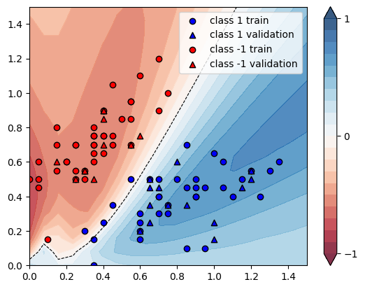
[1.2 0.55] | 1 | 0.8435 | Ok | 0.8442 | Ok | 0.000829876
[0.2 0.6] | -1 | 0.2757 | Ok | 0.2395 | Ok | 0.13130214
[0.7 0.4] | 1 | 0.7528 | Ok | 0.7527 | Ok | -0.000132837
[1.15 0.5 ] | 1 | 0.8386 | Ok | 0.8392 | Ok | 0.000715478
[0.35 0.15] | 1 | 0.5278 | Ok | 0.5248 | Ok | -0.005683971
[0.55 0.95] | -1 | 0.2668 | Ok | 0.2411 | Ok | 0.096326837
[0.9 0.4] | 1 | 0.8335 | Ok | 0.8364 | Ok | 0.003479304
[1.1 0.4] | 1 | 0.8179 | Ok | 0.8167 | Ok | -0.001467172
[0.7 0.5] | 1 | 0.6761 | Ok | 0.6702 | Ok | -0.00872652
[0.6 0.15] | 1 | 0.7596 | Ok | 0.7655 | Ok | 0.007767246
[0.75 0.3 ] | 1 | 0.8107 | Ok | 0.815 | Ok | 0.005304058
[0.85 0.45] | 1 | 0.8195 | Ok | 0.8216 | Ok | 0.002562538
[0. 0.5] | -1 | 0.1033 | Ok | 0.1116 | Ok | -0.0803485
[0.35 0.7 ] | -1 | 0.234 | Ok | 0.203 | Ok | 0.132478632
[0.25 0.55] | -1 | 0.2591 | Ok | 0.2246 | Ok | 0.133153223
[0.15 0.8 ] | -1 | 0.2917 | Ok | 0.2541 | Ok | 0.128899554
[0.25 0.7 ] | -1 | 0.2703 | Ok | 0.2337 | Ok | 0.135405105
[0.6 1.1] | -1 | 0.2772 | Ok | 0.2514 | Ok | 0.093073593
[0.05 0.45] | -1 | 0.1458 | Ok | 0.1528 | Ok | -0.048010974
[0.35 0.75] | -1 | 0.2391 | Ok | 0.2075 | Ok | 0.132162275
[0.85 0.1 ] | 1 | 0.7231 | Ok | 0.7123 | Ok | -0.014935694
[0.15 0.55] | -1 | 0.2651 | Ok | 0.2342 | Ok | 0.116559789
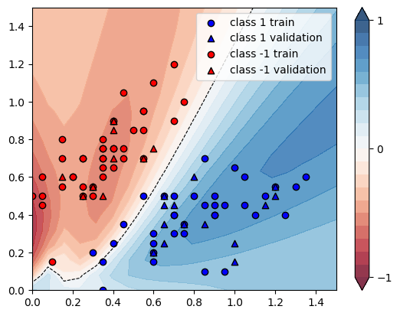
[0.9 0.4] | 1 | 0.8335 | Ok | 0.8364 | Ok | 0.003479304
[0.25 0.5 ] | -1 | 0.2574 | Ok | 0.2242 | Ok | 0.128982129
[0.5 0.85] | -1 | 0.2523 | Ok | 0.2262 | Ok | 0.103448276
[0.15 0.7 ] | -1 | 0.2801 | Ok | 0.2438 | Ok | 0.129596573
[0.7 0.4] | 1 | 0.7528 | Ok | 0.7527 | Ok | -0.000132837
[0.75 0.35] | 1 | 0.8058 | Ok | 0.8092 | Ok | 0.004219409
[1.25 0.4 ] | 1 | 0.7929 | Ok | 0.7873 | Ok | -0.007062681
[0.35 0. ] | 1 | 0.5923 | Ok | 0.5998 | Ok | 0.012662502
[0.6 0.2] | 1 | 0.7683 | Ok | 0.7744 | Ok | 0.007939607
[0.6 0.3] | 1 | 0.7267 | Ok | 0.7283 | Ok | 0.002201734
[0.95 0.1 ] | 1 | 0.7184 | Ok | 0.7035 | Ok | -0.020740535
[1.05 0.6 ] | 1 | 0.8437 | Ok | 0.845 | Ok | 0.001540832
[0.45 0.75] | -1 | 0.2387 | Ok | 0.2122 | Ok | 0.111018014
[0.7 0.9] | -1 | 0.3967 | Ok | 0.3752 | Ok | 0.054197126
[1. 0.65] | 1 | 0.8183 | Ok | 0.8175 | Ok | -0.000977637
[0.9 0.45] | 1 | 0.8329 | Ok | 0.8355 | Ok | 0.003121623
[1.05 0.45] | 1 | 0.8378 | Ok | 0.8392 | Ok | 0.001671043
[0.3 0.5] | -1 | 0.2342 | Ok | 0.2044 | Ok | 0.127241674
[0.8 0.5] | 1 | 0.773 | Ok | 0.7719 | Ok | -0.001423027
[0.05 0.6 ] | -1 | 0.1931 | Ok | 0.1761 | Ok | 0.088037286
[0.1 0.15] | -1 | 0.4699 | Ok | 0.4704 | Ok | -0.001064056
[0.35 0.8 ] | -1 | 0.2446 | Ok | 0.2126 | Ok | 0.130825838
[0.7 1.2] | -1 | 0.3148 | Ok | 0.2898 | Ok | 0.079415502
[0.4 0.75] | -1 | 0.2316 | Ok | 0.2027 | Ok | 0.124784111
[0.35 0.75] | -1 | 0.2391 | Ok | 0.2075 | Ok | 0.132162275
[0.05 0.5 ] | -1 | 0.1599 | Ok | 0.1574 | Ok | 0.015634772
[0.55 0.95] | -1 | 0.2668 | Ok | 0.2411 | Ok | 0.096326837
[0.9 0.5] | 1 | 0.8246 | Ok | 0.8261 | Ok | 0.001819064
[0.45 0.35] | 1 | 0.4222 | Error | 0.4108 | Error | -0.027001421
[0.4 0.75] | -1 | 0.2316 | Ok | 0.2027 | Ok | 0.124784111
[0.3 0.55] | -1 | 0.2368 | Ok | 0.2053 | Ok | 0.133023649
[0.45 0.7 ] | -1 | 0.2414 | Ok | 0.2157 | Ok | 0.106462303
[1.35 0.6 ] | 1 | 0.836 | Ok | 0.8351 | Ok | -0.001076555
[0.25 0.7 ] | -1 | 0.2703 | Ok | 0.2337 | Ok | 0.135405105
[0.35 0.6 ] | -1 | 0.2262 | Ok | 0.197 | Ok | 0.129089302
[0.4 0.65] | -1 | 0.2283 | Ok | 0.2011 | Ok | 0.119141481
[1.3 0.55] | 1 | 0.8309 | Ok | 0.8298 | Ok | -0.001323866
[0.55 0.85] | -1 | 0.2788 | Ok | 0.2541 | Ok | 0.088593974
[0.55 0.7 ] | -1 | 0.3193 | Ok | 0.2975 | Ok | 0.06827435
[0.65 0.5 ] | 1 | 0.6089 | Ok | 0.6001 | Ok | -0.014452291
[0.3 0.2] | 1 | 0.3538 | Error | 0.3431 | Error | -0.030243075
[0.7 0.3] | 1 | 0.7962 | Ok | 0.8005 | Ok | 0.005400653
[0.85 0.7 ] | 1 | 0.6897 | Ok | 0.6811 | Ok | -0.01246919
[0.45 1.05] | -1 | 0.2513 | Ok | 0.2225 | Ok | 0.114604059
[0.55 0.5 ] | 1 | 0.4474 | Error | 0.433 | Error | -0.032185963
[0.75 1. ] | -1 | 0.4053 | Ok | 0.3833 | Ok | 0.05428078
[0.6 0.25] | 1 | 0.7566 | Ok | 0.761 | Ok | 0.00581549
[0.4 0.9] | -1 | 0.244 | Ok | 0.2139 | Ok | 0.123360656
[0.2 0.6] | -1 | 0.2757 | Ok | 0.2395 | Ok | 0.13130214
[0.35 0.65] | -1 | 0.2295 | Ok | 0.1993 | Ok | 0.131590414
[0.95 0.45] | 1 | 0.8393 | Ok | 0.8418 | Ok | 0.002978673
[0.4 0.25] | 1 | 0.4587 | Error | 0.4514 | Error | -0.015914541
 |  |  |  |  | AVG | 0.050154101

